Dashboard
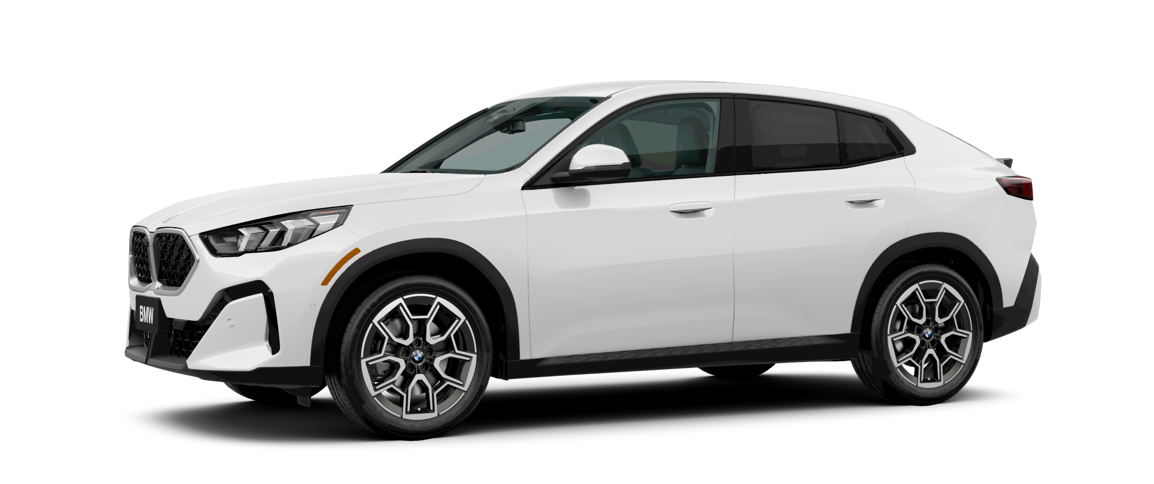
SALES DASHBOARD
Average Sales
Total Sales
$27,650.19
$716,250.00

Sales by Year
 | Total
2022 | $9,423,320.00
2023 | $10,105,373.00
2024 | $9,725,204.00

Car Models with highest sale
 | Black | Pale White | Red
 | 25000 | 61000
 |  | 82000
 |  | 67000
Eldorado |  | 31000 | 31500
RL |  | 31000
TL |  |  | 24500
 |  | 54000
 | 19000 | 31250
Pathfinder |  | 46000
 | 26000 | 15000
 |  | 22000

Customers
 | Total
Female | 24.29%
Male | 75.71%

